Sheet1
IMAGE | PRODUCTS | QUANTITY | MATERIAL | INFO
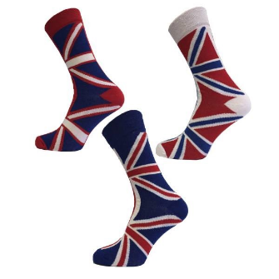 | Assorted Ladies Union Jack Ankle Socks | 360 | 4-8 UK Size 40% Cotton 26% Polyester 10% Mix 2% Elastane | Hook and Tag: Yes
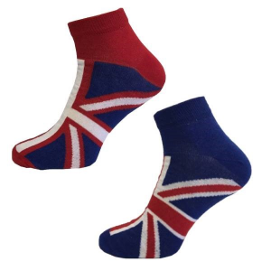 | Assorted Ladies Union Jack Trainer Socks | 240 | 4-8 UK Size 40% Cotton 26% Polyester 10% Mix 2% Elastane | Hook and Tag: Yes
 | Assorted Men Union Jack Trainer Socks | 120 | 6-11 UK Size 40% Cotton 26% Polyester 10% Mix 2% Elastane | Hook and Tag: Yes
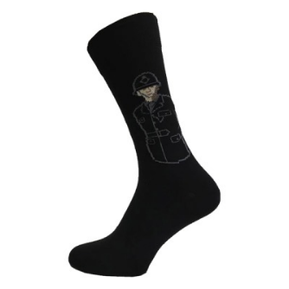 | Assorted Ladies Ankle Socks | 120 | 4-8 UK Size 40% Cotton 26% Polyester 10% Mix 2% Elastane | Hook and Tag: Yes
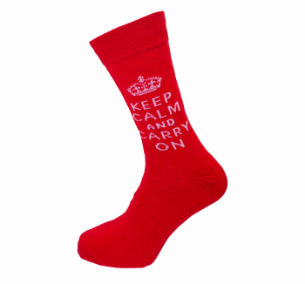 | Assorted Ladies Ankle Socks | 120 | 4-8 UK Size 40% Cotton 26% Polyester 10% Mix 2% Elastane | Hook and Tag: Yes
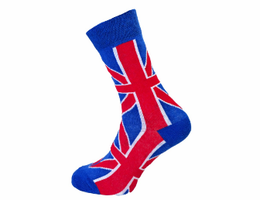 | Assorted Ladies Ankle Socks | 120 | 4-8 UK Size 40% Cotton 26% Polyester 10% Mix 2% Elastane | Hook and Tag: Yes
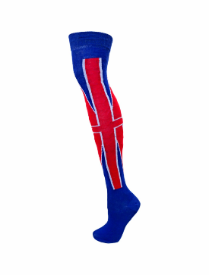 | Ladies Over the Knee Socks | 240 | 4-8 UK Size 40% Cotton 26% Polyester 10% Mix 2% Elastane | Hook and Tag: Yes
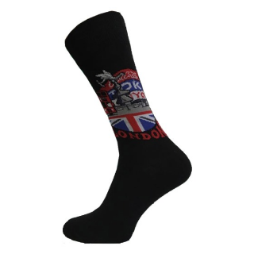 | Assorted Ladies Ankle Socks | 240 | 4-8 UK Size 40% Cotton 26% Polyester 10% Mix 2% Elastane | Hook and Tag: Yes
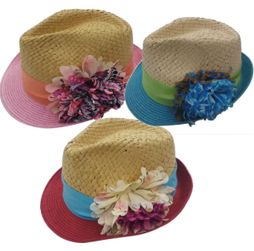 | Crushable Straw Hats | 240 | 100% Paper Straw | Tag: Yes Fabric Comp Label: Yes Hook: Yes Barcode: No
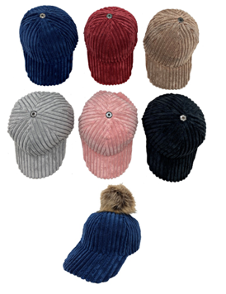 | Detachable Velver Caps | 200 | Velvet and Polyester | Tag: Yes Fabric Comp Label: Yes Hook: Yes Barcode: Yes
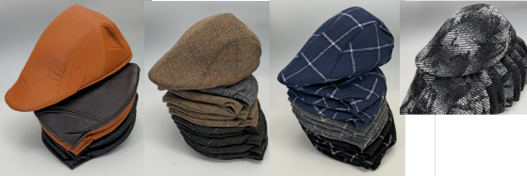 |  | 800 | 100% Polyester | Polyester Mixed Colours flat caps No Hook, Tag Yes
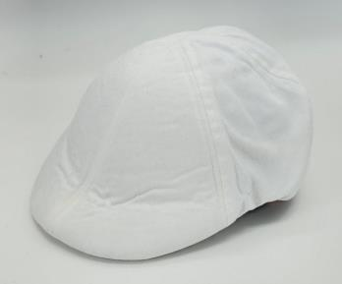 |  | 300 | 100% Polyester | Tag: Yes Fabric Comp Label: Yes Hook: Yes Barcode: Yes
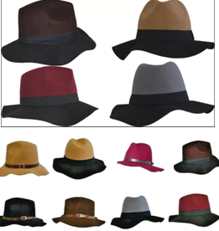 |  | 720 | 100% Polyester | Tag: Yes Fabric Comp Label: Yes Hook: No Barcode: No
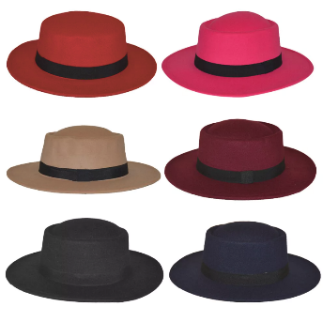 |  | 120 | 100% Polyester | Tag: No Fabric Comp Label: Yes Hook: No Barcode: No
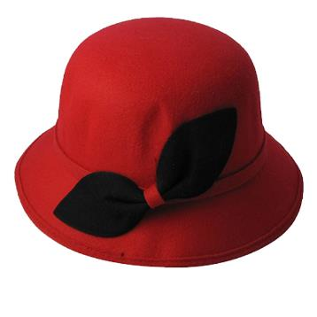 |  | 400 | 100% Polyester | Tag: No Fabric Comp Label: Yes Hook: No Barcode: No
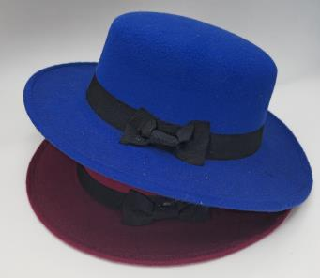 |  | 120 | 100% Polyester | Tag: No Fabric Comp Label: Yes Hook: No Barcode: No
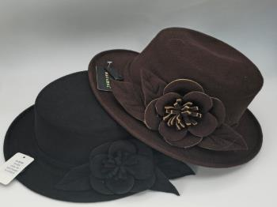 |  | 250 | 100% Polyester | Tag: Yes Fabric Comp Label: Yes Hook: Yes Barcode: No
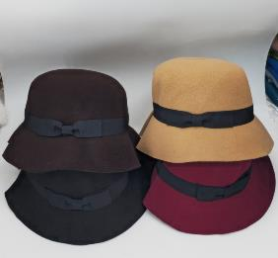 |  | 240 | 100% Polyester | Tag: Yes Fabric Comp Label: Yes Hook: No Barcode: No
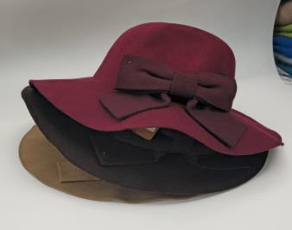 | Polyester Mix Colours floppy hats | 120 | 100% Polyester | Tag: Yes Fabric Comp Label: Yes Hook: No Barcode: No
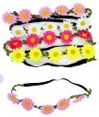 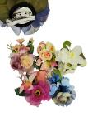 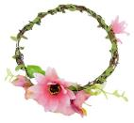 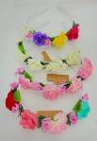 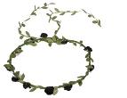 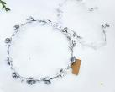 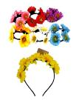 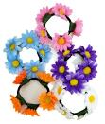 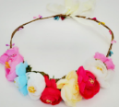 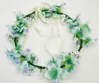 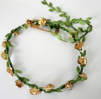 |  | 1200 |  | Tag: Yes Fabric Comp Label: No Hook: No Barcode: No
 |  | 6270

